Sheet1
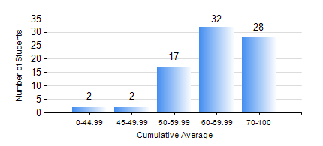
 |  |  | KWAME NKRUMAH UNIVERSITY OF SCIENCE AND TECHNOLOGY, KUMASI Department of Mechanical Engineering

 |  |  | BSC. AEROSPACE ENG., General Option

 |  |  | COMPREHENSIVE RECORD OF EXAMINATION RESULTS

 |  |  | RESULTS OF YEAR 2 SECOND SEMESTER, 2024/2025 ACADEMIC YEAR

 | Sn | Course Code |  | Course Name | Credit Hours | Min. Mark | Max. Mark | Avg. Mark | Std. Dev. | No. Passed | No. Trailed | No. (Df) | No. (I) | No. (I*) | No. Tagged(I,I*,Df) | Total
 | 0. |  |  |  |  |  |  | 0 | 0 | 0 | 0 | 0 | 0 | 0 | 0 | 5
 | 1. | AERO 256 |  | AEROSPACE STRUCTURES | 3 | 41 | 97 | 79 | 15.55 | 76 | 0 | 0 | 0 | 0 | 0 | 76
 | 2. | AERO 274 |  | AEROSPACE DESIGN PROJECT II | 2 | 44 | 75 | 62 | 7.81 | 76 | 0 | 0 | 0 | 0 | 0 | 76
 | 3. | ENGL 264 |  | LITERATURE IN ENGLISH II | 1 | 47 | 82 | 70 | 7.75 | 76 | 0 | 0 | 0 | 0 | 0 | 76
 | 4. | MATH 252 |  | CALCULUS WITH SEVERAL VARIABLES | 4 | 40 | 80 | 59 | 11.4 | 76 | 0 | 0 | 0 | 0 | 0 | 76
 | 5. | ME 258 |  | COMPUTER-AIDED DESIGN AND MODELLING | 3 | 21 | 88 | 71 | 13.85 | 72 | 3 | 0 | 0 | 1 | 1 | 76
 | 6. | ME 264 |  | MECHANISMS SYNTHESIS AND ANALYSIS I | 3 | 25 | 95 | 65 | 16.29 | 75 | 1 | 0 | 0 | 0 | 0 | 76
 | 7. | ME 266 |  | THERMODYNAMICS I | 2 | 34 | 93 | 62 | 13.77 | 73 | 3 | 0 | 0 | 0 | 0 | 76

